Sheet1
Plain means
DivGroup | kcal
DivNA | 1947
Div0 | 2020
Div1 | 2118
Div2 | 2192

With Gender & Age
lm.kcal.ag <- lm( KCAL ~ DivGroup + RIDAGEYR + Gender, data=df)
All terms are significant.

DivGroup | contrast | emmean | SE | df | lower.CL | upper.CL
DivNA | . | 1942 | 14.761760936 | 4032 | 1900.657639 | 1983.5768121
Div0 | . | 2049 | 18.767993821 | 4032 | 1995.8861029 | 2101.3089271
Div1 | . | 2154 | 33.64589078 | 4032 | 2059.6896956 | 2248.6840475
Div2 | . | 2229 | 33.392532404 | 4032 | 2135.4392594 | 2323.0104568
. | DivNA - Div0 | -106 | 23.895061921 | 4032 | -173.59148249 | -39.369096429
. | DivNA - Div1 | -212 | 36.750906316 | 4032 | -315.28750647 | -108.85178548
. | DivNA - Div2 | -287 | 36.526178084 | 4032 | -389.69432579 | -184.52093924
. | Div0 - Div1 | -106 | 38.487842972 | 4032 | -213.68554256 | 2.5068295318
. | Div0 - Div2 | -181 | 38.263103149 | 4032 | -288.09232933 | -73.162356785
. | Div1 - Div2 | -75 | 47.36243319 | 4032 | -208.05916919 | 57.983196105

DivGroup | emmean
DivNA | 1942
Div0 | 2049
Div1 | 2154
Div2 | 2229

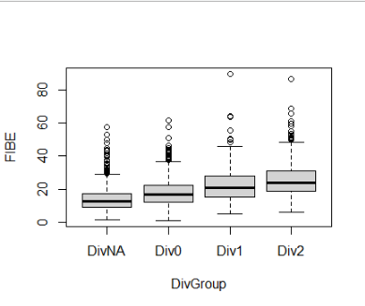
+FIBE
lm.kcal.agf <- lm( KCAL ~ DivGroup + RIDAGEYR + Gender + FIBE, data=df)
All terms are significant.

DivGroup | contrast | emmean | SE | df | lower.CL | upper.CL
DivNA | . | 2088 | 13.235863761 | 4031 | 2050.7131625 | 2125.0611372
Div0 | . | 2004 | 16.147787403 | 4031 | 1959.0136095 | 2049.7183274
Div1 | . | 1900 | 29.63710876 | 4031 | 1816.9008418 | 1983.3772465
Div2 | . | 1837 | 30.457235595 | 4031 | 1751.5406083 | 1922.6237973
. | DivNA - Div0 | 84 | 21.106340013 | 4031 | 24.242328874 | 142.80003398
. | DivNA - Div1 | 188 | 33.246506249 | 4031 | 94.372620394 | 281.12359101
. | DivNA - Div2 | 251 | 34.392950938 | 4031 | 154.20957968 | 347.40031443
. | Div0 - Div1 | 104 | 33.486713284 | 4031 | 10.176798201 | 198.27705035
. | Div0 - Div2 | 167 | 34.087988099 | 4031 | 71.5449109 | 263.02262035
. | Div1 - Div2 | 63 | 40.806276951 | 4031 | -51.550867663 | 177.66455037

DivGroup | emmean
DivNA | 2088
Div0 | 2004
Div1 | 1900
Div2 | 1837

+ PF
lm.kcal.agtl <- lm( KCAL ~ DivGroup + RIDAGEYR + Gender + PF_TOTAL_LEG, data=df)
DivGroup is not significant. This means the KCAL intake is the same when adjusted for the total protein intake?

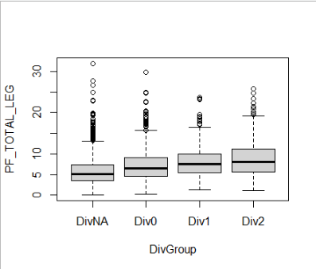
DivGroup | contrast | emmean | SE | df | lower.CL | upper.CL
DivNA | . | 2023.6512577 | 13.312672531 | 4031 | 1986.2615468 | 2061.0409686
Div0 | . | 2007.206199 | 16.681597298 | 4031 | 1960.3545921 | 2054.057806
Div1 | . | 2010.2351909 | 30.135657136 | 4031 | 1925.5967754 | 2094.8736064
Div2 | . | 2036.9547451 | 30.15900109 | 4031 | 1952.2507662 | 2121.6587239
. | DivNA - Div0 | 16.445058678 | 21.500721177 | 4031 | -43.941445075 | 76.83156243
. | DivNA - Div1 | 13.416066824 | 33.27503832 | 4031 | -80.039553099 | 106.87168675
. | DivNA - Div2 | -13.303487356 | 33.40952375 | 4031 | -107.13682042 | 80.529845708
. | Div0 - Div1 | -3.0289918537 | 34.253182205 | 4031 | -99.231807505 | 93.173823798
. | Div0 - Div2 | -29.748546034 | 34.217664201 | 4031 | -125.85160652 | 66.354514449
. | Div1 - Div2 | -26.71955418 | 42.004667557 | 4031 | -144.69303954 | 91.253931185

DivGroup | emmean
DivNA | 2024
Div0 | 2007
Div1 | 2010
Div2 | 2037

Should we adjust by protein?

Sheet2
DivGroup | Male | Female
DivNA | 2199 | 1699
Div0 | 2300 | 1783
Div1 | 2426 | 1874
Div2 | 2497 | 1945

When PF was in the model, there was no difference between DivGroups.
Is that because there is upward and downward lines here? =interaction)
PF_TOTAL_LEG
DivGroup | Low_0_5 | Mid_5_10 | High_10
DivNA | 1640 | 2119 | 2764
Div0 | 1610 | 2055 | 2627
Div1 | 1652 | 2060 | 2625
Div2 | 1723 | 2081 | 2652
 | upward | stable | down-stable
 | -83 | 38 | 112

When FIBE was in the model, there was still differences between DivGroups.
Is that because there is no interaction here? == KCAL decreases from DivNA to Div2, kind of.
FIBE
DivGroup | Low_0_10 | Mid_10_15 | High_15
DivNA | 1503 | 2013 | 2604
Div0 | 1376 | 1885 | 2481
Div1 | 1506 | 1886 | 2346
Div2 | 1447 | 1766 | 2382
 | down-stable | down-stable | zigzag
 | 56 | 247 | 222

